Sheet1
Data Raw dari API Unit Balance Search
rows:[{"data_key":"2-20240212-535234","portfolio_id":"2","ccy_id":"1","client_id":"535234","position_date":"2024-02-12","parent_id":"535233","type_id":"2","sales_id":"162","treeparent_id":"0","tree_prefix":"162.","unit_balance":"3052.905250892","unit_price":"1084.720000000","cost_price":"1054.520000000","unit_value":"3311547.38","cost_total":"3219349.65","unit_adjustment":"0.00","wealth_ratio":"1.011978952968711","geometric_index":"1.021027467299283","unit_rate":"1.000000000000","unit_investment":"3311547.38","fee_management":"0.00","fee_sales":"0.00","fee_other":"0.00","daily_pl":"0.00","retained_earning":"0.00","reconcile_status":"N","reconcile_unit":"0.000000000","reconcile_date":"2024-02-16 00:00:00","reconcile_description":" ","status_balance":"Y","status_fee":"N","status_dividend":"N","status_fifo":"N","status_rbs":"N","status_firm":"N","status_fund":"N","status_sales":"N"},{"data_key":"3-20240212-535234","portfolio_id":"3","ccy_id":"1","client_id":"535234","position_date":"2024-02-12","parent_id":"535233","type_id":"2","sales_id":"162","treeparent_id":"0","tree_prefix":"162.","unit_balance":"934.899809904","unit_price":"1290.790000000","cost_price":"1283.560000000","unit_value":"1206759.33","cost_total":"1200000.00","unit_adjustment":"0.00","wealth_ratio":"1.001777256273200","geometric_index":"1.004928131489374","unit_rate":"1.000000000000","unit_investment":"1206759.33","fee_management":"0.00","fee_sales":"0.00","fee_other":"0.00","daily_pl":"0.00","retained_earning":"0.00","reconcile_status":"N","reconcile_unit":"0.000000000","reconcile_date":"2024-02-16 00:00:00","reconcile_description":" ","status_balance":"Y","status_fee":"N","status_dividend":"N","status_fifo":"N","status_rbs":"N","status_firm":"N","status_fund":"N","status_sales":"N"},{"data_key":"4-20240212-535234","portfolio_id":"4","ccy_id":"1","client_id":"535234","position_date":"2024-02-12","parent_id":"535233","type_id":"2","sales_id":"162","treeparent_id":"0","tree_prefix":"162.","unit_balance"

Data yang digunakan
 | portfolio_id | unit_balance | unit_price | unit_value | cost_total | ==> field dalam data raw yang digunakan
 | 3 | 934.8998 | 1290.79 | 1206759.33 | 1200000
 | 2 | 3052.9053 | 1084.72 | 3311547.38 | 3219349.65
 | 5 | 1855.9128 | 992.6335 | 1842241.17 | 3250750
 | 4 | 317.2765 | 4742.531 | 1504693.47 | 1499916.97
 | 6 | 2362.2297 | 1138.4181 | 2689205.05 | 2682260.8

Data saldo holding
* | dijoin dengan data product/portfolio
 | portfolio_nameshort (dari Search Portfolio) | unit_balance | unit_price | unit_value | cost_total | = Nilai Investasi - Biaya Pembelian | ==> mapping fieldnya
 | Produk | Saldo Unit | NAV/Unit | Nilai Investasi | Biaya Pembelian | L/R Belum Direalisasikan | ==> Display yang ditampilkan di web
1 | RD Pend. Tetap Avrist Bond Fund | 934.8998 | 1,290.7900 | 1,206,759.33 | 1,200,000.00 | 6,759.33
2 | RD Index Avrist LQ45 | 3,052.9053 | 1,084.7200 | 3,311,547.38 | 3,219,349.65 | 92,197.73
3 | RD Proteksi Insight Terproteksi 55 | 1,855.9128 | 992.6335 | 1,842,241.17 | 3,250,750.00 | (1,408,508.83)
4 | RD Pend. Tetap Syariah Insight Haji I Hajj | 317.2765 | 4,742.5310 | 1,504,693.47 | 1,499,916.97 | 4,776.50
5 | RD Pend. Tetap Trimegah Fixed Income Plan | 2,362.2297 | 1,138.4181 | 2,689,205.05 | 2,682,260.80 | 6,944.25

Aggregate data saldo holding
* | difilter dengan ccy_id = 1
 | Nilai Investasi | 10,554,446.4000 | = total dari seluruh Nilai Investasi
 | Biaya pembelian | 11,852,277.4200 | = total dari seluruh Biaya pembelian
 | Untung/Rugi belum direalisasi | (1,297,831.0200) | = total dari seluruh Nilai Investasi - total dari seluruh Biaya pembelian
 | Persentase | -10.95% | = Untung/Rugi belum direalisasi / Biaya Pembelian * 100%

Pengelompokkan aggregate
* | dijoin dengan data API MOBC product/portfolio
* | dijoin dengan data API parameter asset type
 | portfolio_id | assettype_id | type_description | unit_value
 | 3 | 2 | Fixed Income | 1206759.33
 | 2 | 1 | Equities | 3311547.38
 | 5 | 5 | Capital Protected | 1842241.17
 | 4 | 2 | Fixed Income | 1504693.47
 | 6 | 2 | Fixed Income | 2689205.05

 | pengelompokan
 | type_description | unit_value | persentase
 | Equities | 3,311,547.3800 | 31.38% | = unit_value / total
 | Fixed Income | 5,400,657.8500 | 51.17% | = unit_value / total
 | Capital Protected | 1,842,241.1700 | 17.45% | = unit_value / total
Alokasi Kelas Asset

Data Raw dari API Unit Balance History
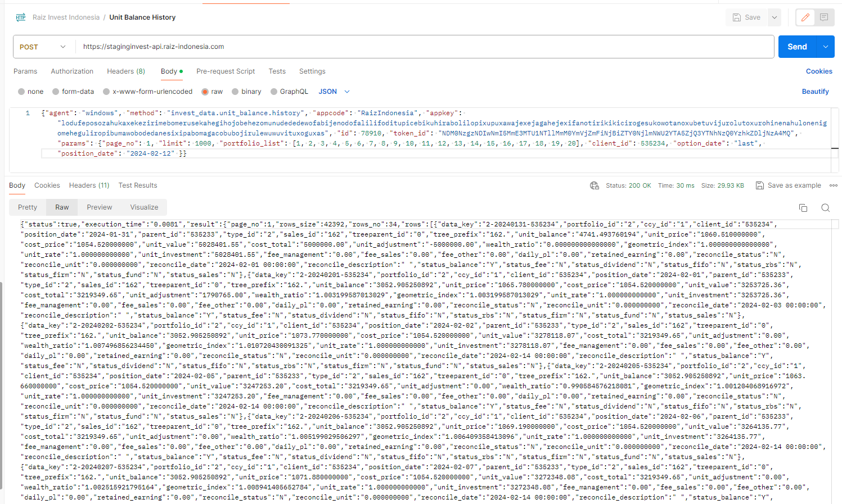

Data yang digunakan
 | position_date | unit_value | portfolio_id | History data saldo holding (hanya contoh)
 | 2024-01-31 | 5028401.55 | 2 | * | digroup by position_date
 | 2024-01-31 | 1999667.94 | 4 | * | disum unit_value
 | 2024-01-31 | 1200841.41 | 3
 | 2024-01-31 | 3249551.77 | 6
 | 2024-02-01 | 1837531.05 | 5 | Tanggal | Nilai Invetasi
 | 2024-02-01 | 1501914.42 | 4 | 2024-01-31 | 11,478,462.67 | =sum tanggal 31
 | 2024-02-01 | 2685232.01 | 6 | 2024-02-01 | 10,487,686.40 | =sum tanggal 1
 | 2024-02-01 | 1209283.56 | 3 | 2024-02-02 | 10,515,769.78 | =sum tanggal 2
 | 2024-02-01 | 3253725.36 | 2 | 2024-02-05 | 10,480,415.05 | =sum tanggal 5
 | 2024-02-02 | 2685613.51 | 6 | 2024-02-06 | 10,499,507.56 | =sum tanggal 6
 | 2024-02-02 | 1837944.92 | 5 | 2024-02-07 | 10,507,860.99 | =sum tanggal 7
 | 2024-02-02 | 1211929.32 | 3 | 2024-02-12 | 10,554,446.40 | =sum tanggal 12
 | 2024-02-02 | 1502163.96 | 4 | 2024-02-13 | 10,554,446.40 | =sum tanggal 13
 | 2024-02-02 | 3278118.07 | 2
 | 2024-02-05 | 2686677.46 | 6
 | 2024-02-05 | 1502912.92 | 4
 | 2024-02-05 | 1839252.23 | 5
 | 2024-02-05 | 3247253.2 | 2
 | 2024-02-05 | 1204319.24 | 3
 | 2024-02-06 | 1839667.77 | 5
 | 2024-02-06 | 1205506.56 | 3
 | 2024-02-06 | 3264135.77 | 2
 | 2024-02-06 | 1503162.36 | 4
 | 2024-02-06 | 2687035.1 | 6
 | 2024-02-07 | 1204618.41 | 3
 | 2024-02-07 | 3272348.08 | 2
 | 2024-02-07 | 1840083.12 | 5
 | 2024-02-07 | 1503411.55 | 4
 | 2024-02-07 | 2687399.83 | 6
 | 2024-02-12 | 3311547.38 | 2
 | 2024-02-12 | 1504693.47 | 4
 | 2024-02-12 | 2689205.05 | 6
 | 2024-02-12 | 1842241.17 | 5
 | 2024-02-12 | 1206759.33 | 3
 | 2024-02-13 | 1504693.47 | 4
 | 2024-02-13 | 2689205.05 | 6
 | 2024-02-13 | 1842241.17 | 5
 | 2024-02-13 | 1206759.33 | 3
 | 2024-02-13 | 3311547.38 | 2

